EDR
Ref URL | http://www.edr-edr.it/edr_programmi/res_complex_comune.php?do=book&id_nr=EDR000113
ID | EDR000113
Alt IDs? | TM258845
Object Type? | tabula
Material | marmor
Language | latina
Date | - 1 571 d.C. / 573 d.C.
Inscription Type | sepulcralis
Image URLs | http://www.edr-edr.it//foto_epigrafi/immagini_uso/1/000113.jpg?dummy=1573210171 | http://www.edr-edr.it//foto_epigrafi/immagini_uso/1/000113-1.jpg?dummy=1573211288 | https://edh-www.adw.uni-heidelberg.de/digilib/Scaler/IIIF/f023476.tif/full/pct:10/0/default.png
 | 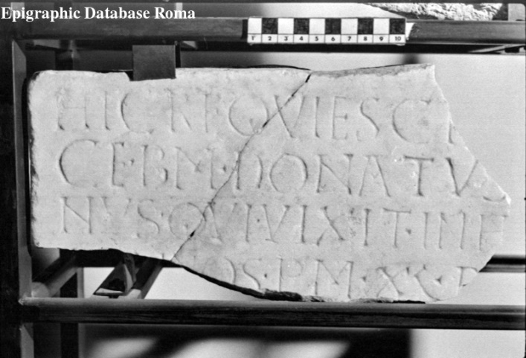 | 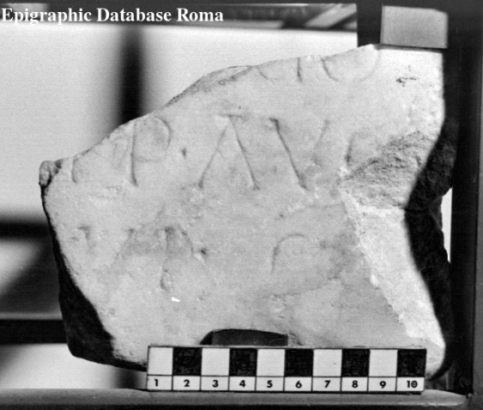
Interpretive | Hic requiesci[t in pa]= | HIC REQUIESCI[T IN PA]=
 | ce b(onae) m(emoriae) Donatus [diaco]=
 | nus, qui vixit in h[oc sae]=
 | [cl(o) an]nos p(lus) m(inus) XL, d[ep(ositus) est]
5 | [sub (die) - men(se) Ianua]ṛịọ
 | [Imp(eratore) D(omino) N(ostro) Iustino] p̣(er)p(etuo) Aug(usto)
 | [anno] VI.
Diplomatic ? | HIC REQVIESCI
 | CE · BM · DONATVS [-----]
 | NVS · QVI · VIXIT · INH[-----]
 | [----]NOS · PM · XL · D[-----]
 | [------------]ṚỊỌ
 | [------------] P̣ P · AVG
 | [----] VI ·
GEO | 44.0484, 8.21493

EDR 1
Ref URL | http://www.edr-edr.it/edr_programmi/res_complex_comune.php?do=book&id_nr=EDR000826
ID | EDR000826
Alt IDs? | TM267218
Object Type? | stela
Material | marmor
Language | latina
Date | 71 d.C. / 130 d.C.
Inscription Type | sepulcralis
Image URLs | http://www.edr-edr.it/foto_epigrafi/thumbnails/1/th_000826-1.jpg?dummy=1573639841
 | 
Interpretive | D(is) M(anibus)
 | Iulia̲e̲ F̲o̲r̲t̲u̲n̲a̲t̲a̲e̲,
 | vixit aṇno uno e̲̲̲t̲
 | menses X, dieb̲(us) V̲I̲I̲I̲,
5 | Iulius Florus e̲t̲
 | Onesimus Cae̲s̲a̲r̲(is)
 | n̅(ostri) 〈:servus〉, vilicus ba̲l̲i̲n̲(ei)
 | Caenidi̲a̲n̲i̲
 | a̲l̲u̲m̲n̲a̲e̲ d̲u̲l̲c̲i̲s̲s̲i̲=
 | m̲a̲e̲ f̲e̲c̲e̲r̲u̲n̲t̲.
Diplomatic ?
GEO | 41.8917375,12.4861685

EDR 2
Ref URL | http://www.edr-edr.it/edr_programmi/res_complex_comune.php?do=book&id_nr=EDR000651
ID | EDR000651
Alt IDs? | TM267048
Object Type? | tabula
Material | marmor
Language | latina
Date | 247 d.C. / 320 d.C.
Inscription Type | sepulcralis
Image URLs | http://www.edr-edr.it/foto_epigrafi/thumbnails/1/th_000651.jpg?dummy=1573625858
 | 
Interpretive | D(is) M(anibus).
 | Fanniae Redempta=
 | e, quae vixit ann(is) XX=
 | XXVI, mens(ibus) V, dieb(us) VI=
5 | I, Aurel(ius) Augg. lib(ertus) Her=
 | mes coniugi inc=
 | omparabili, cum
 | qua vixit ann(is) XX=
 | XIII.
Diplomatic ?
GEO | 41.902916, 12.453389

EDR 3
Ref URL | http://www.edr-edr.it/edr_programmi/res_complex_comune.php?do=book&id_nr=EDR000717
ID | EDR000717
Alt IDs? | TM267114
Object Type? | tabula
Material | lapis, Tiburtinus
Language | latina
Date | 30 a.C. / 1 a.C.
Inscription Type | sepulcralis
Image URLs | http://www.edr-edr.it/foto_epigrafi/thumbnails/1/th_000717-6.jpg?dummy=1573626757


Interpretive | ((theta nigrum)) A(ulus) Caesonius A(uli) f(ilius) Col(lina),
 | Paetus,
 | A(ulus) Caesonius A(uli) l(ibertus)
 | Philemo,
5 | Telgennia P(ubli) l(iberta) Philumina v(ivit).
Diplomatic ?
GEO | 41.8917375,12.4861685

EDR 4
Ref URL | http://www.edr-edr.it/edr_programmi/res_complex_comune.php?do=book&id_nr=EDR000755
ID | EDR000755
Alt IDs? | TM267151
Object Type? | tabula
Material | marmor
Language | latina
Date | 51 d.C. / 200 d.C.
Inscription Type | sepulcralis
Image URLs | http://www.edr-edr.it/foto_epigrafi/thumbnails/1/th_000755.jpg?dummy=1573631957
 | 
Interpretive | Diìs [M]ạnib(us).
 | Suc̣[ces]sae
 | P(ublius) Mụ[---ius] Ṛhodo
 | [coniugi? benem]erenti
5 | [--- a]nn(is) XVIII.
Diplomatic ?
GEO | 41.8917375,12.4861685

EDR 5
Ref URL | http://www.edr-edr.it/edr_programmi/res_complex_comune.php?do=book&id_nr=EDR000766
ID | EDR000766
Alt IDs? | TM267161
Object Type? | tabula
Material | marmor
Language | latina
Date | 101 d.C. / 200 d.C.
Inscription Type | sepulcralis
Image URLs | http://www.edr-edr.it/foto_epigrafi/thumbnails/1/th_000766.jpg?dummy=1573631957
 | 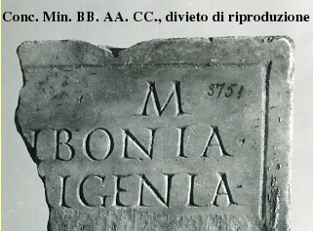
Interpretive | [D(is)] M(anibus).
 | [Scr]ibonia
 | [Pri]ṃigenia
 | 〚[------]〛
5 | [---]o coniugi
 | [b(ene)] m(erenti)
 | [---] ṣibi
 | ------
Diplomatic ?
GEO | 41.8917375,12.4861685

EDR 6
Ref URL | http://www.edr-edr.it/edr_programmi/res_complex_comune.php?do=book&id_nr=EDR000779
ID | EDR000779
Alt IDs? | TM267173
Object Type? | tabula
Material | marmor
Language | latina
Date | 201 d.C. / 300 d.C.
Inscription Type | sepulcralis
Image URLs | http://www.edr-edr.it/foto_epigrafi/thumbnails/1/th_000779.jpg?dummy=1573631959
 | 
Interpretive | [D(is)] Ṃ(anibus).
 | M(arco) Aebutio Cresi=
 | mo, qui vixit an=
 | nos LXVIII, mensib(us)
5 | III, d(iebus) III, M(arcus) Aebutius
 | Quintio patrono
 | benemerenti fecit.
Diplomatic ?
GEO | 41.8917375,12.4861685

EDR 7
Ref URL | http://www.edr-edr.it/edr_programmi/res_complex_comune.php?do=book&id_nr=EDR000782
ID | EDR000782
Alt IDs? | TM267176
Object Type? | tabula, mensa podiale
Material | marmor
Language | latina
Date | 201 d.C. / 300 d.C.
Inscription Type | sepulcralis
Image URLs | http://www.edr-edr.it/foto_epigrafi/thumbnails/1/th_000782.jpg?dummy=1573631959
 | 
Interpretive | D(is) M(anibus) s(acrum)
 | Aediae Res{〚Res〛}titutae
 | et Aediae Helpidis,
 | C(aius) Caecilius
5 | Fuscus fec(it).
Diplomatic ?
GEO | 41.8917375,12.4861685

EDR 8
Ref URL | http://www.edr-edr.it/edr_programmi/res_complex_comune.php?do=book&id_nr=EDR126006
ID | EDR000809
Alt IDs? | TM267203
Object Type? | tabula
Material | marmor
Language | latina
Date | 201 d.C. / 300 d.C.
Inscription Type | fasti, leges, acta?
Image URLs | http://www.edr-edr.it/foto_epigrafi/thumbnails/1/th_000809.jpg?dummy=1573631962
 | 
Interpretive | ------
 | [---] arka[rius? ---]
 | [---]ṣ Euhodu[s ---]
 | [---]ṣ Dithyramb[us ---]
5 | [---]ṣ Synetu[s ---]
 | [---]ṣ Aedemo[n ---]
 | [---]ṣ Timotheu[s ---]
 | [---] +++[---]
 | ------
Diplomatic ?
GEO | 41.8917375,12.4861685

EDR 9
Ref URL | http://www.edr-edr.it/edr_programmi/res_complex_comune.php?do=book&id_nr=EDR000812
ID | EDR000812
Alt IDs? | TM267206
Object Type? | tabula
Material | marmor
Language | latina
Date | 151 d.C. / 200 d.C.
Inscription Type | sepulcralis
Image URLs | http://www.edr-edr.it/foto_epigrafi/thumbnails/1/th_000812.jpg?dummy=1573631962
 | 
Interpretive | D(is) M(anibus).
 | Caetenniae
 | Hygiae,
 | quae vìxit ann(is) XXI, d(iebus) XIII,
5 | M(arcus) Caetennius Hymnus
 | fìliae pientissimae et
 | M(arcus) Caetennius Proculus
 | sorori karissimae
 | fecerunt et sibi et
 | lìbertis libertabusque
 | suìs posterìsque eorum.
 | H(oc) m(onumentum) h(eredem) n(on) s(equetur), h(uic) m(onumento) d(olus) m(alus) a(besto).
Diplomatic ?
GEO | 41.902916,12.453389

EDR 10
Ref URL | http://www.edr-edr.it/edr_programmi/res_complex_comune.php?do=book&id_nr=EDR000815
ID | EDR000815
Alt IDs? | TM282881
Object Type? | tabula
Material | marmor
Language | latina
Date | 171 d.C. / 200 d.C.
Inscription Type | sepulcralis
Image URLs | http://www.edr-edr.it/foto_epigrafi/thumbnails/1/th_000815.jpg?dummy=1573631962
 | 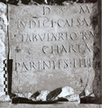
Interpretive | D(is) M(anibus) [s(acrum)].
 | Iudici Caesar[is n(ostri) s(ervo)],
 | tabulario ra[tionis]
 | charta[riae],
5 | parentes fili[o dulciss(imo)].
Diplomatic ?
GEO | 42.403067,12.861183

EDH
Ref URL | https://edh-www.adw.uni-heidelberg.de/edh/inschrift/HD000042
ID | HD000042
Alt IDs? | EDRR078758, TM265591
Object Type? | stele
Material | travertine: rocks - chemische Sedimente
Language | latina
Date | 70 BC – 31 BC
Inscription Type? | epitaph
Image URLs | https://edh-www.adw.uni-heidelberg.de/digilib/Scaler/IIIF/f023476.tif/full/full/0/default.png | http://www.edr-edr.it/foto_epigrafi/immagini_uso/78/078758.jpg?dummy=1573222304
 | 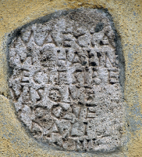 | 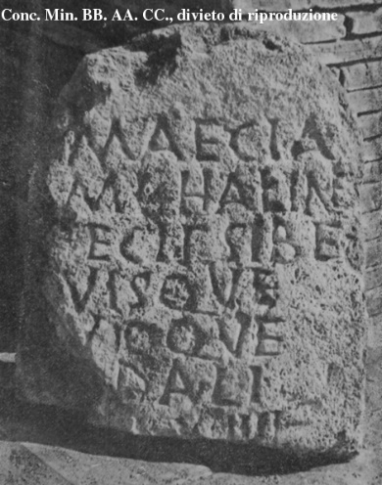
Interpretive | Maecia
 | M(arci) l(iberta) Halin̂e
 | f̣ecit sibe(!)
 | [s]uisque
5 | [s]uoque
 | [so?]dali.
 | [in fr(onte) p(edes)] XIIII,
 | [in ag(ro) p(edes) ---].
Diplomatic ? | MAECIA
 | M L HALIN̂E
 | F̣ECIT SIBE
 | [ ]VISQVE
 | [ ]VIOQVE
 | [ ]DALI
 | [ ] XIIII
 | [ ]
GEO | 41.895466,12.482324

EDH 1
Ref URL | https://edh-www.adw.uni-heidelberg.de/edh/inschrift/HD014354
ID | HD014354
Alt IDs?
Object Type? | block
Material | block
Language | Latin
Date | 31 AD – 100 AD
Inscription Type | epitaph
Image URLs | https://edh-www.adw.uni-heidelberg.de/digilib/Scaler/IIIF/f035144.tif/full/full/0/default.png | https://edh-www.adw.uni-heidelberg.de/digilib/Scaler/IIIF/f035144.tif/full/full/0/default.png
 | 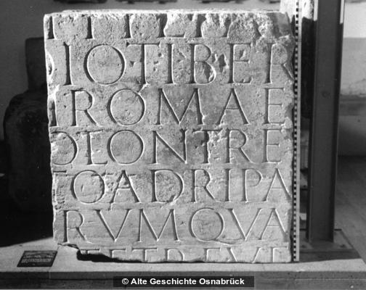 | 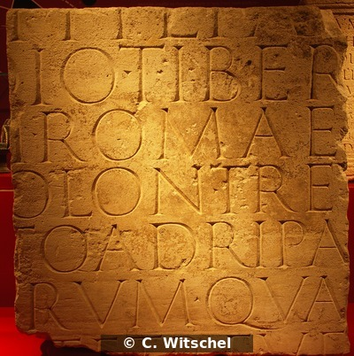
Interpretive | [--- T]i(beri) fil(io) Fa[bia ---]
 | [---]dio Tiber[iano?]
 | [sacerdot]i Romae [et Augusti]
 | [flamini c]olon(iae) Trev[erorum]
5 | [praefec]to ad ripa[m ---]
 | [---]rum qua[estori]
 | [in civita]te Treve[rorum]
 | [------
Diplomatic ? | [ ]I FIL FA[ ]
 | [ ]DIO TIBER[ ]
 | [ ]I ROMAE [ ]
 | [ ]OLON TREV[ ]
 | [ ]TO AD RIPA[ ]
 | [ ]RVM QVA[ ]
 | [ ]TE TREVE[ ]
 | [
GEO | 50.004707374, 8.2721936451

EDH 2
Ref URL | https://edh-www.adw.uni-heidelberg.de/edh/inschrift/HD014357
ID | HD014357
Alt IDs?
Object Type? | altar
Material | limestone: rocks - clastic sediments
Language | Latin
Date | 101 AD – 200 AD
Inscription Type | votive inscription
Image URLs | https://edh-www.adw.uni-heidelberg.de/digilib/Scaler/IIIF/f004029.tif/full/full/0/default.png
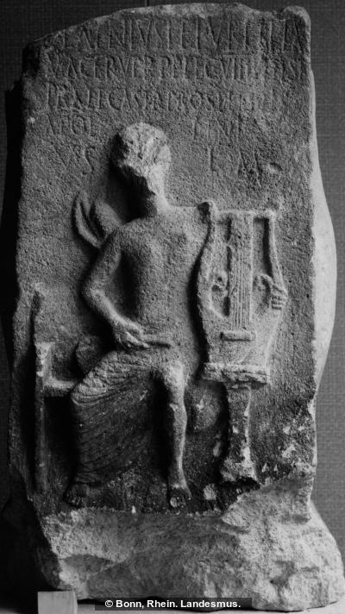
Interpretive | L(ucius) Latinius
 | L(uci) f(ilius) Publilia
 | Macer Ver(ona)
 | p(rimi)p(ilus)
5 | leg(ionis) VIIII
 | Hisp(anae)
 | praef(ectus)
 | castr(orum) pro se
 | et suis / Apollini /
 | v(otum) s(olvit) //
 | l(ibens) m(erito)
Diplomatic ? | L LATINIVS L F
 | PVBLILIA
 | MACER VER PP
 | LEG VIIII HISP
 | PRAEF CASTR
 | PRO SE ET SVIS
 | APOLLINI
 | V S
 | L M
GEO | 50.76270385, 6.0917119265

EDH 3
Ref URL | https://edh-www.adw.uni-heidelberg.de/edh/inschrift/HD014555
ID | HD014555
Alt IDs?
Object Type? | altar
Material | limestone: rocks - clastic sediments
Language | Latin
Date | 240 AD
Inscription Type | votive inscription
Image URLs | https://edh-www.adw.uni-heidelberg.de/digilib/Scaler/IIIF/f018745.tif/full/full/0/default.png | https://edh-www.adw.uni-heidelberg.de/digilib/Scaler/IIIF/f018745.tif/full/full/0/default.png
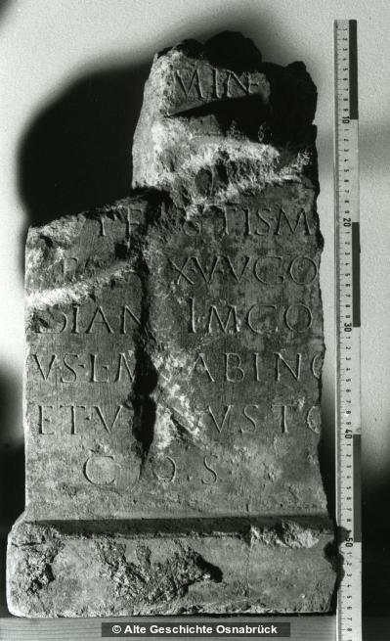 |  | 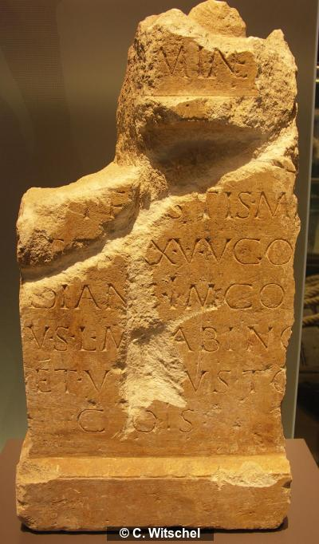
Interpretive | [I(ovi) O(ptimo) M(aximo) et] Miner[vae]
 | [---]in[iu]s
 | [S]upe[r]stis mi[l(es)]
 | [l]eg(ionis) XXX U(lpiae) v(ictricis) Go[r]
5 | dian[a]e im(munis) co(n)
 | [s(ularis)]
 | v(otum) s(olvit) l(ibens) m(erito) [S]abino [II] et V[en]usto
 | co(n)s(ulibus)

Diplomatic ? | [ ] MINER[ ]

 | [ ]IN[ ]S
 | [ ]VPE[ ]STIS MI[ ]
GEO | [ ]EG XXX V V GO[ ]
 | DIAN[ ]E IM CO[ ]
 | V S L M [ ]ABINO [ ] ET V[ ]VSTO
 | COS
 | 50.5808413, 6.7703839000

EDH 4
Ref URL | https://edh-www.adw.uni-heidelberg.de/edh/inschrift/HD014579
ID | HD014579
Alt IDs?
Object Type?
Material | limestone: rocks - clastic sediments
Language | Latin
Date | 101 AD – 130 AD
Inscription Type | building/dedicatory inscription?
Image URLs | https://edh-www.adw.uni-heidelberg.de/digilib/Scaler/IIIF/f016934.tif/full/full/0/default.png | https://edh-www.adw.uni-heidelberg.de/digilib/Scaler/IIIF/f016934.tif/full/full/0/default.png
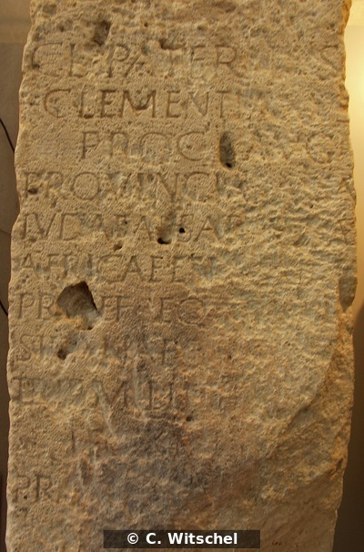 |  | 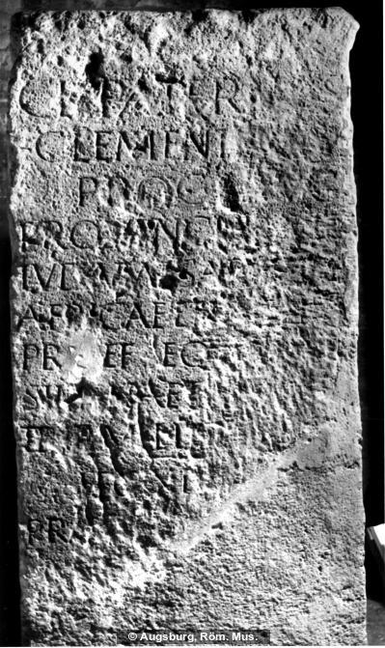
Interpretive | Cl(audius) Paternus
 | Clementianus
 | proc(urator) Aug(usti)
 | provincia[ru]m
5 | Iudaeae Sar[dini]ae
 | Africae et N[orici]
 | pr[a]ef(ectus)
 | eq(uitum) a[lae]
 | Silianae t[orq(uatae) c(ivium) R(omanorum)]
 | trib(unus) milit[um]
 | leg(ionis) XIII(?)I(?)[---]
 | pra[ef(ectus) coh(ortis) I
 | classic(ae)]
 | [------]
Diplomatic ? | F(?)I(?)[---]S(?)[---]
 | CL PATERNVS
 | CLEMENTIANVS
 | PROC AVG
 | PROVINCIA[ ]M
 | IVDAEAE SAR[ ]AE
 | AFRICAE ET N[ ]
 | PR[ ]EF EQ A[ ]
 | SILIANAE T[ ]
 | TRIB MILIT[ ]
 | LEG XIIII[ ]
 | PRA[ ]
 | [ ]
 | FI[ ]S[ ]
GEO | 47.914292191, 10.915281772

EDH 5
Ref URL | https://edh-www.adw.uni-heidelberg.de/edh/inschrift/HD014597
ID | HD014597
Alt IDs?
Object Type? | stele
Material | conglomerate: rocks - clastic sediments
Language | Latin
Date | 151 AD – 200 AD
Inscription Type | epitaph
Image URLs | https://edh-www.adw.uni-heidelberg.de/digilib/Scaler/IIIF/f008886.tif/full/full/0/default.png
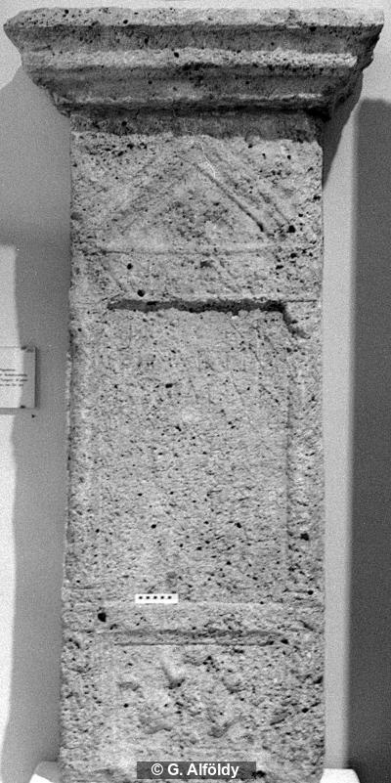

Interpretive | D(is) M(anibus)
 | Chartius
 | Tagaduni
 | eques al(ae) Aug(ustae)
5 | sing(u)l(aris) natione
 | Tunger an(norum) XXXV
 | Valens Ianuari
 | h(eres)
 | f(aciendum) c(uravit)

Diplomatic ? | D M
 | CHARTIVS
 | TAGADVNI
 | EQVES AL AVG
 | SINGL NATIONE
 | TVNGER AN XXXV
 | VALENS IANVARI
 | H F C
GEO | 48.163398448, 14.025758116

EDH 6
Ref URL | https://edh-www.adw.uni-heidelberg.de/edh/inschrift/HD014668
ID | HD014668
Alt IDs?
Object Type? | tabula
Material | marble: rocks - metamorphic rocks
Language | Latin
Date | 101 AD – 230 AD
Inscription Type | votive inscription
Image URLs | https://edh-www.adw.uni-heidelberg.de/digilib/Scaler/IIIF/f005844.tif/full/full/0/default.png
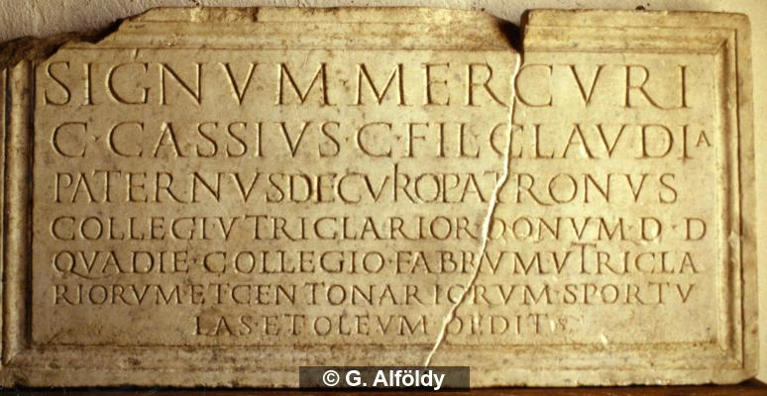
Interpretive | Signum Mercuri
 | C(aius) Cassius C(ai) fil(ius) Claudia
 | Paternus
 | decurio patronus
5 | collegi utriclarior(um) donum d(edit) d(edicavit)
 | qua die collegio fabrum utricla
 | ìriorum et centonariorum sportu
 | las etoleum dedit

Diplomatic ? | SIGNVM MERCVRI
 | C CASSIVS C FIL CLAVDIA
 | PATERNVS DECVRIO PATRONVS
 | COLLEGI VTRICLARIOR DONVM D D
 | QVA DIE COLLEGIO FABRVM VTRICLA
 | RIORVM ET CENTONARIORVM SPORTV
 | LAS ET OLEVM DEDIT
GEO | 43.718854343, 7.2761168409

EDH 7
Ref URL | https://edh-www.adw.uni-heidelberg.de/edh/inschrift/HD016660
ID | HD016660
Alt IDs?
Object Type? | altar
Material | limestone: rocks - clastic sediments
Language | Latin
Date | 161 AD – 164 AD
Inscription Type | votive inscription
Image URLs | https://edh-www.adw.uni-heidelberg.de/digilib/Scaler/IIIF/f003943.tif/full/full/0/default.png | https://edh-www.adw.uni-heidelberg.de/digilib/Scaler/IIIF/f003943.tif/full/full/0/default.png
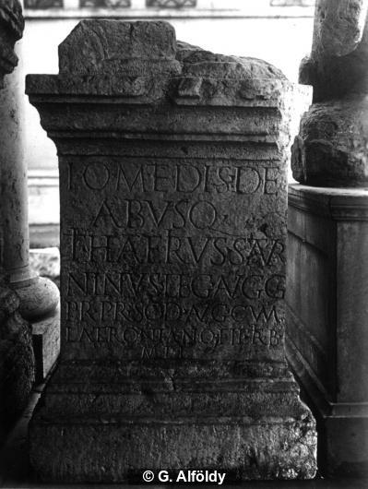 |  | 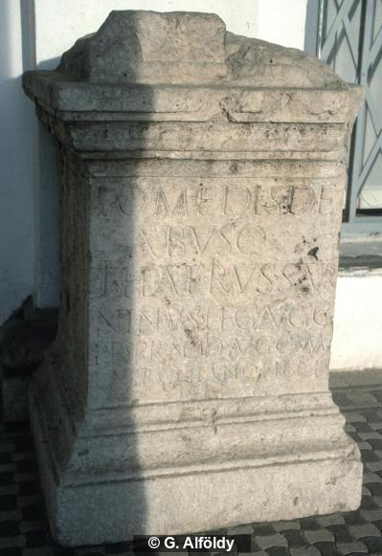
Interpretive | I(ovi) O(ptimo) M(aximo) et dis de
 | /abusq(ue)
 | Ti(berius) Haterius
 | Satur
5 | ninus leg(atus) Augg(ustorum)
 | pr(o) pr(aetore) sod(alis)
 | Aug(ustalis) cum / Latroniano fil(io) trib(uno) / mil(itum)
Diplomatic ? | I O M ET DIS DE
 | ABVSQ
 | TI HATERIVS SATVR
 | NINVS LEG AVGG
 | PR PR SOD AVG CVM
 | LATRONIANO FIL TRIB
 | MIL
GEO | 47.544032929, 19.049248820

EDH 8
Ref URL | https://edh-www.adw.uni-heidelberg.de/edh/inschrift/HD016636
ID | HD016636
Alt IDs?
Object Type? | base
Material | limestone: rocks - clastic sediments
Language | Latin
Date | 211 AD – 230 AD
Inscription Type | votive inscription
Image URLs | https://edh-www.adw.uni-heidelberg.de/digilib/Scaler/IIIF/f003130.tif/full/full/0/default.png
 | 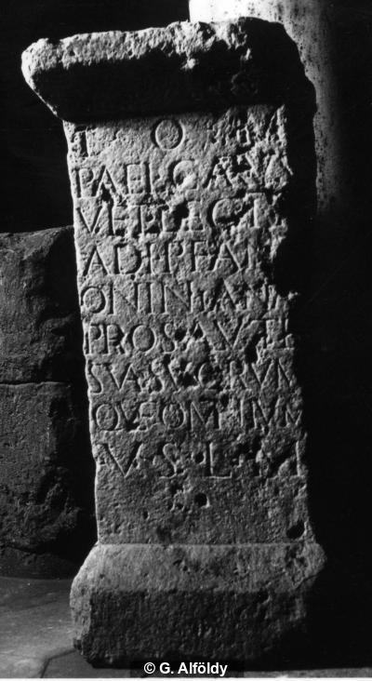
Interpretive | I(ovi) O(ptimo) M(aximo)
 | P(ublius) Ael(ius) Carus
 | vet(eranus) leg(ionis) II
 | adi(utricis) p(iae) f(idelis) Ant/oniniana(e)
5 | pro salute
 | sua suorum/que omnium
 | v(otum) s(olvit) l(ibens) m(erito)
Diplomatic ? | I O M
 | P AEL CARVS
 | VET LEG II
 | ADI P F ANT
 | ONINIANA
 | PRO SALVTE
 | SVA SVORVM
 | QVE OMNIVM
 | V S L M
GEO | 47.54102, 19.030505

EDH 9
Ref URL | https://edh-www.adw.uni-heidelberg.de/edh/inschrift/HD016654
ID | HD016654
Alt IDs?
Object Type? | altar
Material | sandstone: rocks - clastic sediments
Language | Latin
Date | 125 AD – 136 AD
Inscription Type | votive inscription
Image URLs | https://edh-www.adw.uni-heidelberg.de/digilib/Scaler/IIIF/f003129.tif/full/full/0/default.png | https://edh-www.adw.uni-heidelberg.de/digilib/Scaler/IIIF/f003129.tif/full/full/0/default.png
 | 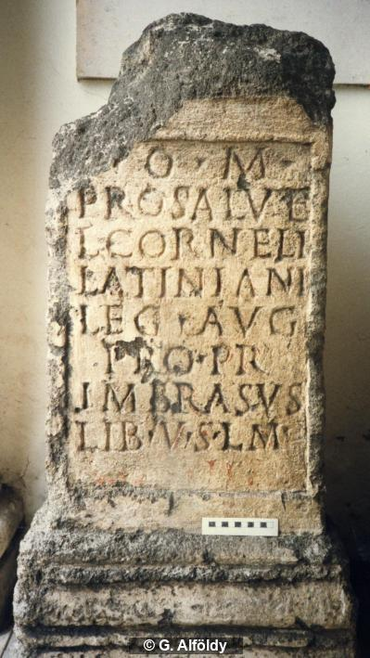 | 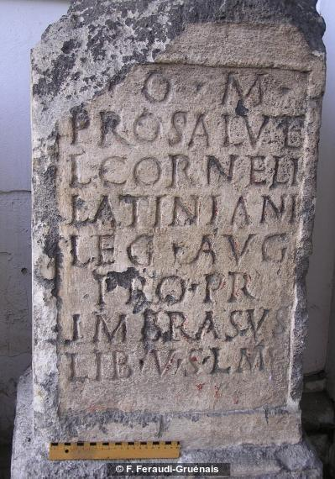
Interpretive | [I(ovi)] O(ptimo) M(aximo)
 | pro salute
 | L(uci) Corneli
 | Latiniani
5 | leg(ati) Aug(usti)
 | pro pr(aetore)
 | Imbrasus
 | lib(ertus) v(otum) s(olvit) l(ibens) m(erito)
Diplomatic ? | [ ] O M
 | PRO SALVTE
 | L CORNELI
 | LATINIANI
 | LEG AVG
 | PRO PR
 | IMBRASVS
 | LIB V S L M
GEO | 47.553418, 19.054227

EDH 10
Ref URL | https://edh-www.adw.uni-heidelberg.de/edh/inschrift/HD017548
ID | HD017548
Alt IDs?
Object Type? | tabula
Material | limestone: rocks - clastic sediments
Language | Latin
Date | 201 AD – 250 AD
Inscription Type | epitaph
Image URLs | https://edh-www.adw.uni-heidelberg.de/digilib/Scaler/IIIF/f003933.tif/full/full/0/default.png | https://edh-www.adw.uni-heidelberg.de/digilib/Scaler/IIIF/f003933.tif/full/full/0/default.png
 | 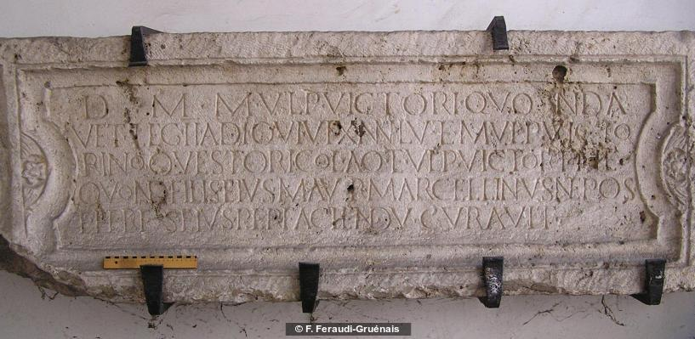 | 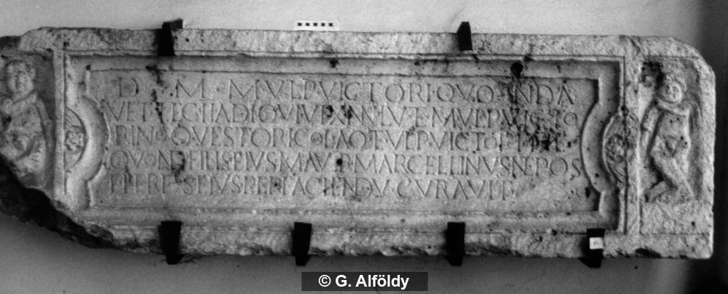
Interpretive | D(is) M(anibus) M(arco) Ulpio Victori quonda(m)
 | vet(erano) leg(ionis) II adi(utricis) qui vix(it) ann(os) LV et M(arco) Ulp(io) Victo
 | rino qu(a)estori col(oniae) Aq(uincensis) et Ulp(iae) Victorin(a)e
 | quond(am) fili(i)s eius M(arcus) Aur(elius) Marcellinus nepos
5 | et heres eius perfaciendu(m)(!) curavit
Diplomatic ? | D M M VLPIO VICTORI QVONDA
 | VET LEG II ADI QVI VIX ANN LV ET M VLP VICTO
 | RINO QVESTORI COL AQ ET VLP VICTORINE
 | QVOND FILIS EIVS M AVR MARCELLINVS NEPOS
 | ET HERES EIVS PERFACIENDV CVRAVIT
GEO | 47.541454063, 19.033316793

Extra
Ref URL | http://www.edr-edr.it/edr_programmi/res_complex_comune.php?do=book&id_nr=EDR000939
ID | EDR000939
Alt IDs? | TM267311
Object Type? | pavimentum
Material | musivum
Language | latina
Date | 201 d.C. / 250 d.C.
Inscription Type | cetera
Image URLs | http://www.edr-edr.it/foto_epigrafi/thumbnails/1/th_000939.jpg?dummy=1573640759
 | 
Interpretive | Liber nica
 | Ilarinus
 | Olypio
 | L[iber] Pomano.
Diplomatic ?
GEO | 41.8917375,12.4861685

Extra 2
Ref URL | https://edh-www.adw.uni-heidelberg.de/edh/inschrift/HD016600
ID | HD016600
Alt IDs?
Object Type? | altar
Material | sandstone: rocks - clastic sediments
Language | Latin
Date | 151 AD – 250 AD
Inscription Type | votive inscription
Image URLs | https://edh-www.adw.uni-heidelberg.de/digilib/Scaler/IIIF/f019829.tif/full/full/0/default.png
 | 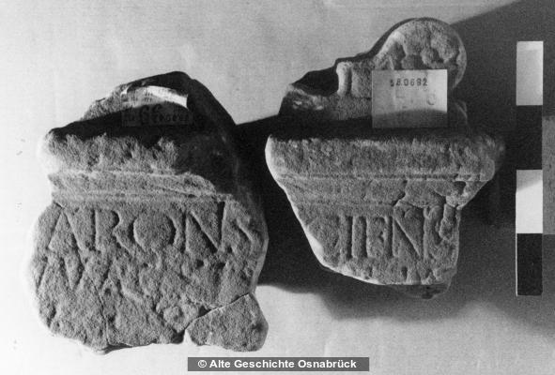
Interpretive | [M]atronis [---]cifnis
 | [A?]vvacsis(?) [---]lia
 | v(otum) s(olvit) [l(ibens) m(erito)]
Diplomatic ? | [ ]ATRONIS [ ]CIFNIS
 | [ ]VVACSIS [ ]LIA
 | V S [ ]
GEO | 51.025690445,6.5322248280

Extra 3
Ref URL | http://www.edr-edr.it/edr_programmi/res_complex_comune.php?do=book&id_nr=EDR000639
ID | EDR000639
Alt IDs? | TM267036
Object Type? | tabula
Material | marmor
Language | latina
Date | 1 d.C. / 150 d.C.
Inscription Type | sepulcralis
Image URLs | http://www.edr-edr.it/foto_epigrafi/thumbnails/1/th_000639.jpg?dummy=1573625076
 | 
Interpretive | M(arcus) Pumidius M(arci) l(ibertus)
 | Felix sibi et
 | Ofilliae M(arci) l(ibertae)
 | Helpini.
Diplomatic ?
GEO | 41.8917375,12.4861685

